Tool 07
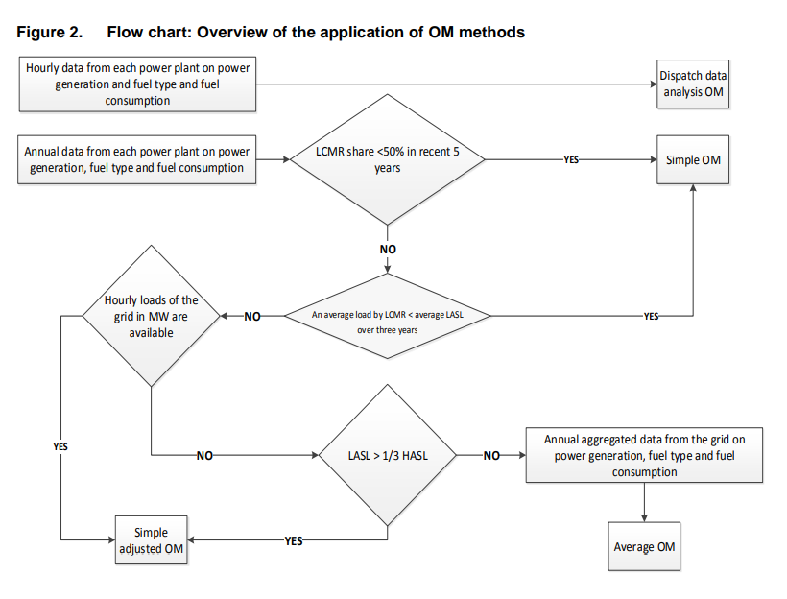
Required Field | Selective Disclosure | Multiple Answers | Schema Type | Parameter | Question | Answer | Notes
Identify the relevant electricity systems
Yes |  | No | String | N/A | Please provide information about electricity systems. For more information refer to section 6.1 in Methodological Tool 07.
Select a method to determine the operating margin (OM)
Yes |  | No | If/Then |  | Does you have hourly or annual data from each power plant on power generation and fuel type and fuel consumption? | Annual | If Hourly OM is Dispatch Data Analysis OM, if Annual follow up with next question
Yes |  | No | If/Then |  | Is LCMR share less than 50% in recent 5 years? | No | If Yes OM is Simple OM, If No follow up with next question
Yes |  | No | If/Then |  | Is the average load by LCMR less than the average LASL over three years? | No | If yes OM is Simple OM, If No follow up with next question
Yes |  | No | If/Then |  | Are hourly loads of the grid in MW available? | No | If Yes OM is Simple Adjusted OM, If No follow up with next question
Yes |  | No | If/Then |  | Is the LASL more than one third of the HASL? | No | If Yes OM is Simple Adjusted OM, If No follow up with next question
Yes |  | No | If/Then |  | Do you have annual aggregated data from the grid on power generation, fuel type and fuel consumption? | Yes | If Yes OM is Average OM, If No give message "Please check responses to properly determine the operating margin."
Flowchart for Step 3

Tool 02
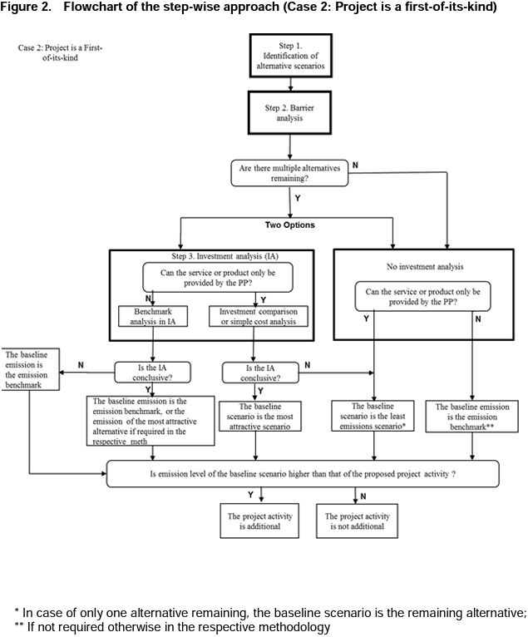
Required Field | Selective Disclosure | Multiple Answers | Schema Type | Parameter | Question | Answer | Notes
TOOL 02: Combined tool to identify the baseline scenario and demonstrate additionality
Yes |  | no | if/then | Step 0 : First-of-its-kind project activities | Is the proposed project activity the first-of-its-kind? | No | If Yes: Move to Step 1A in Case 2 If No: Move to Step 1A in Case 1
Yes |  | yes | string |  | Provide evidence to justify answer. | (Explanation/proof) | Follow up to previous question.
Case 1: If Project is not a first-of-its-kind.
Yes |  | no | if/then | Step 1A: Define alternative scenarios | Have realistic and credible alternative scenario(s) to the project activity been identified? | Yes | If Yes proceed to Step 1B If No: Can't proceed
Yes |  | yes | string |  | Provide evidence to justify answer. | (List of plausible alternative scenarios to the project activity + explanation) | Follow up to previous question.
Yes |  | no | if/then | Step 1B: Consistency with regulations | Are all the alternative scenario(s) in compliance with mandatory legislation and regulations (taking into account the enforcement in the region or country and EB decisions on national and/or sectoral policies and regulations)? | No | If Yes: Move to Step 2A (Barrier analysis) If No: Move to Step 1C
Yes |  | yes | string |  | Provide evidence to justify answer. | (List of alternative scenarios to the project activity that follow mandatory legislation and regulations + explanation.) | Follow up to previous question.
Yes |  | no | if/then | Step 1C: Consistency with regulations | Is project without CDM the only alternative remaining? | No | If Yes: Project activity is not additional. If No: Move to Step 2A (Barrier analysis)
Yes |  | yes | string |  | Provide evidence to justify answer. | (Explanation/proof) | Follow up to previous question. (If the above-mentioned list contains only one scenario, than the proposed project activity is not additional)
Yes |  | no | if/then | Step 2A: Barrier analysis (Identify) | Is there at least one or more realistic and credible barrier preventing the implementation of the proposed project activity without the CDM? | Yes | If Yes proceed to Step 2B If No: Can't proceed
Yes |  | yes | string |  | Provide evidence to justify answer. | (List of barriers that may prevent one or more alternative scenarios to occur + explanation.) | Follow up to previous question.
Yes |  | no | if/then | Step 2B: Barrier analysis (Eliminate) | Is at least one alternative scenario, other than proposed CDM project activity, not prevented by any of the identified barriers? | Yes | If Yes: Proceed to Step 3A (Investment Analysis) If No: Proceed to Step 3B (No Investment Analysis)
Yes |  | yes | string |  | Provide evidence to justify answer. | (List of alternative scenarios to the project activity that are not prevented by any barrier + explanation.) | Follow up to previous question.
Yes |  | no | if/then | Step 3A: Investment analysis | Can the service or product only be provided by the project proponent? | Yes | If Yes: Move to Cell C17 If No: Move to Cell C19
Yes |  | yes | if/then | If yes to Step 3A: | Investment comparison or simple cost anlysis must be chosen, is the sensitivity analysis conclusive to confirm the result of the investment comparison analysis or simple cost analysis? | Yes | If Yes: Proceed to Step 4A. (The most economically or financially attractive alternative scenario is considered as the baseline scenario) If No: Proceed to Step 4A. (The alternative scenario to the project activity with least emissions among the alternative scenarios is considered as the baseline scenario)
Yes |  | yes | string |  | Provide evidence to justify answer. | (Explanation/proof) | Follow up to previous question.
Yes |  | no | if/then | If no to Step 3A: | Benchmark anlysis must be chosen, is the sensitivity analysis conclusive? | Yes | If Yes: Proceed to Step 4A. (The baseline emission is the emission benchmark, or the emission of the most attractive alternative if required in methodology.) If No: Project activity is not additional
Yes |  | yes | string |  | Provide evidence to justify answer. | (Explanation/proof) | Follow up to previous question.
Yes |  | no | if/then | Step 3B: No Investment analysis | Can the service or product only be provided by the project proponent? | Yes | If Yes: Proceed to Step 4A (The baseline scenario is the least emissions scenario*) If No: Proceed to Step 4A (The baseline emission is the emission benchmark*)
Yes |  | yes | string |  | Provide evidence to justify answer. | (Explanation/proof) | Follow up to previous question.
Yes |  | no | if/then | Step 4A: Emission Level | Is emission level of the baseline scenario higher than that of the proposed project activity? | Yes | If Yes: Proceed to Step 4B If No: Project activity is not additional.
Yes |  | yes | string |  | Provide evidence to justify answer. | (Explanation/proof) | Follow up to previous question.
Yes |  | no | if/then | Step 4B: Common practice analysis | Is the project common practice? | No | If Yes: Project activity is not additional. If No: Project activity is additional.
Yes |  | yes | string |  | Provide evidence to justify answer. | (Explanation/proof) | Follow up to previous question.
Flowchart: (Case 1) If Project is not a first-of-its-kind.
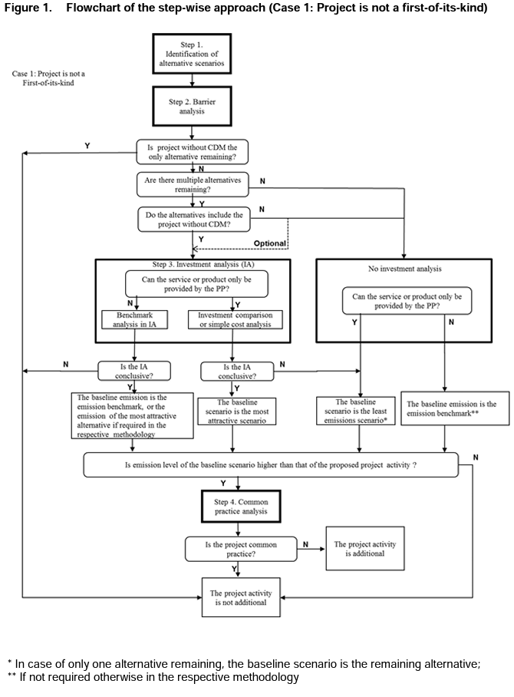

Case 2: If Project is a first-of-its-kind.
Yes |  | no | if/then | Step 1A: Define alternative scenarios | Have realistic and credible alternative scenario(s) to the project activity been identified? | Yes | If Yes proceed to Step 1A If No: Can't proceed
Yes |  | yes | string |  | Provide evidence to justify answer. | (List of plausible alternative scenarios to the project activity + explanation) | Follow up to previous question.
Yes |  | no | if/then | Step 1B: Consistency with regulations | Are all the alternative scenario(s) in compliance with mandatory legislation and regulations (taking into account the enforcement in the region or country and EB decisions on national and/or sectoral policies and regulations)? | No | If Yes: Move to Step 2A (Barrier analysis) If No: Move to Step 1C
Yes |  | yes | string |  | Provide evidence to justify answer. | (List of alternative scenarios to the project activity that follow mandatory legislation and regulations + explanation.) | Follow up to previous question.
Yes |  | no | if/then | Step 1C: Consistency with regulations | Is project without CDM the only alternative remaining? | No | If Yes: Project activity is not additional. If No: Move to Step 2A (Barrier analysis)
Yes |  | yes | string |  | Provide evidence to justify answer. | (Explanation/proof) | Follow up to previous question. (If the above-mentioned list contains only one scenario, than the proposed project activity is not additional)
Yes |  | no | if/then | Step 2A: Barrier analysis (Identify) | Is there at least one or more realistic and credible barrier preventing the implementation of the proposed project activity without the CDM? | Yes | If Yes proceed to Step 2B If No: Can't proceed
Yes |  | yes | string |  | Provide evidence to justify answer. | (List of barriers that may prevent one or more alternative scenarios to occur + explanation.) | Follow up to previous question.
Yes |  | no | if/then | Step 2B: Barrier analysis (Eliminate) | Is at least one alternative scenario, other than proposed CDM project activity, not prevented by any of the identified barriers? | Yes | If Yes: Proceed to Step 3A (Investment Analysis) or Step 3B (No Investment Analysis) If No: Proceed to Step 3B (No Investment Analysis)
Yes |  | yes | string |  | Provide evidence to justify answer. | (List of alternative scenarios to the project activity that are not prevented by any barrier + explanation.) | Follow up to previous question.
Yes |  | no | if/then | Step 3A: Investment analysis | Can the service or product only be provided by the project proponent? | Yes | If Yes: Move to Cell C75 If No: Move to Cell C77
Yes |  | no | if/then | - If yes to Step 3A: | Investment comparison or simple cost anlysis must be chosen, is the sensitivity analysis conclusive to confirm the result of the investment comparison analysis or simple cost analysis? | Yes | If Yes: Proceed to Step 4 (The most economically or financially attractive alternative scenario is considered as the baseline scenario) If No: Proceed to Step 4 (The alternative scenario to the project activity with least emissions among the alternative scenarios is considered as the baseline scenario)
Yes |  | yes | string |  | Provide evidence to justify answer. | (Explanation/proof) | Follow up to previous question.
Yes |  | no | if/then | - If no to Step 3A: | Benchmark anlysis must be chosen, is the sensitivity analysis conclusive? | Yes | If Yes: Proceed to Step 4 (The baseline emission is the emission benchmark, or the emission of the most attractive alternative if required in methodology.) If No: Proceed to Step 4 (The baseline emission is the emission benchmark.)
Yes |  | yes | string |  | Provide evidence to justify answer. | (Explanation/proof) | Follow up to previous question.
Yes |  | no | if/then | Step 3B: No Investment analysis | Can the service or product only be provided by the project proponent? | Yes | If Yes: Proceed to Step 4 (The baseline scenario is the least emissions scenario*) If No: Proceed to Step 4 (The baseline emission is the emission benchmark*)
Yes |  | yes | string |  | Provide evidence to justify answer. | (Explanation/proof) | Follow up to previous question.
Yes |  | no | if/then | Step 4: Emission Level | Is emission level of the baseline scenario higher than that of the proposed project activity? | Yes | If Yes: Project activity is additional. If No: Project activity is not additional.
Yes |  | yes | string |  | Provide evidence to justify answer. | (Explanation/proof) | Follow up to previous question.
Flowchart: (Case 2) If Project is a first-of-its-kind.

